Foglio1
ANEKKE ORIGAMI
IMAGE | CODE | EAN | DESCRIPTION | PACKING PCS | PCS TOTAL
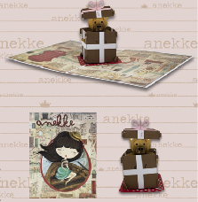 | AK3558 | 8052744435589 | ORIGAMI ANEKKE VENEZIA2 | 10 | 190
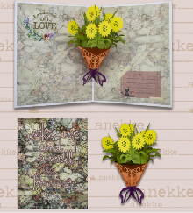 | AK3559 | 8052744435596 | ORIGAMI ANEKKE NATURE3 | 10 | 140
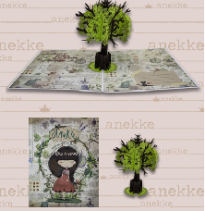 | AK3560 | 8052744435602 | ORIGAMI ANEKKE NATURE5 | 10 | 170
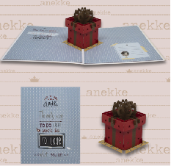 | AK3562 | 8052744435626 | ORIGAMI ANEKKE PATCHWORK3 | 10 | 300
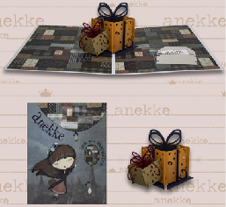 | AK3563 | 8052744435633 | ORIGAMI ANEKKE MISS ANEKKE1 | 10 | 220
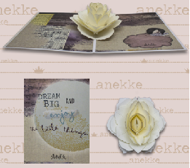 | AK3568 | 8052744435688 | ORIGAMI ANEKKE BALLERINA2 | 10 | 190
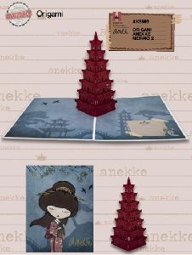 | AK3569 | 8052744435695 | ORIGAMI ANEKKE MERAKI1 | 10 | 250
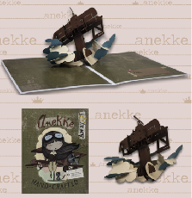 | AK3571 | 8052744435718 | ORIGAMI ANEKKE AVIATOR1 | 10 | 400
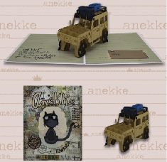 | AK3572 | 8052744435725 | ORIGAMI ANEKKE AVIATOR2 | 10 | 210
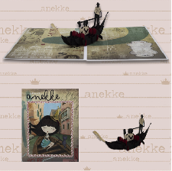 | AK3575 | 8052744435756 | ORIGAMI ANEKKE VENEZIA1 | 10 | 60
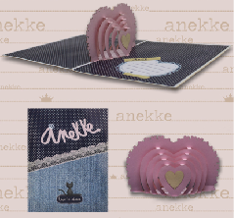 | AK3576 | 8052744435763 | ORIGAMI ANEKKE MOON1 | 10 | 200
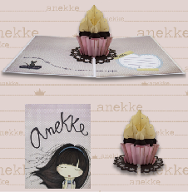 | AK3577 | 8052744435770 | ORIGAMI ANEKKE MOON2 | 10 | 200
 |  |  |  | PCS TOTAL | 2530

